Readme
Guidance to fill in the questionnaire
-Based on the rankings on the sheet “Questionnaire”, please provide the answers on the sheet “Assessment&Scores” that best reflect the institutional strength of the country
-The score should be either 1, 2, 3 or N/A (not applicable). If any question is not entirely relevant for your country, please state N/A and provide explanation in the justification.
-The brief explanation for the score should have a description of the current situation
- The reference documentation should provide documentation/references for the given assessment in each dimension
- The name of agency should provide the name and contact information of the agency that provides the assessment for each dimension

PIMA

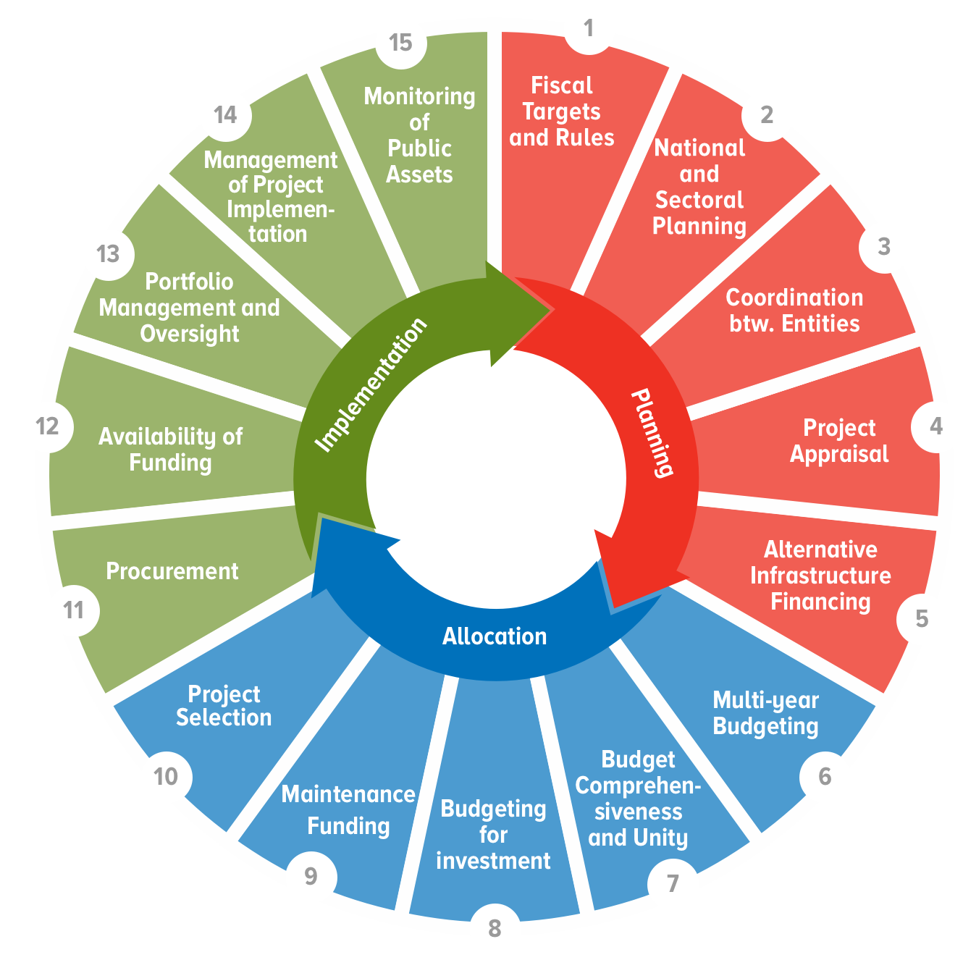
C-PIMA

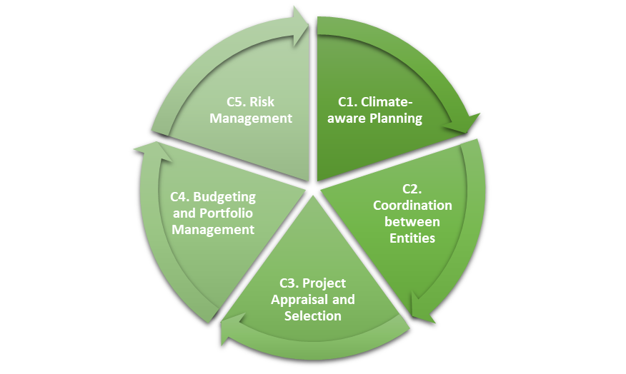

Questionnaire
- Assess each question in column B against the three criteria in column C, D, and E
- Enter score and explanation in 'Assessment&Scores' tab

C-PIMA Questionnaire
 |  | Scoring Rubric
QUESTION |  | 1 = To no or a lesser extent | 2 = To some extent | 3 = To a greater extent
 |  | NOT MET | PARTIALLY MET | FULLY MET
C1. Climate-aware planning: Is public investment planned from a climate change perspective?
C.1.a | Are national and sectoral public investment strategies and plans consistent with Nationally Determined Contribution (NDC) or other overarching climate change strategy on mitigation and adaptation? | National and sectoral public investment strategies and plans are not consistent with NDC or other overarching climate change strategy. | National public investment strategies and plans are consistent with NDC or other overarching climate change strategy for some sectors. | National and sectoral public investment strategies and plans are consistent with NDC or other overarching climate change strategy for most sectors.
C.1.b | Do central government and/or sub-national government regulations on spatial and urban planning, and construction address climate-related risks and impacts on public investment? | Central government and/or sub-national government regulations on spatial and urban planning, and construction do not address climate-related risks and impacts on public investment. | Central government and/or sub-national government regulations on spatial and urban planning, or construction (through building codes) addresses climate-related risks and impacts on public investment. | Central government and/or sub-national government regulations on spatial and urban planning, and construction (through building codes) address climate-related risks and impacts on public investment.
C.1.c | Is there centralized guidance/support for government agencies on the preparation and costing of climate-aware public investment strategies? | There is no centralized guidance/support for government agencies on the preparation and costing of climate-aware public investment strategies. | There is centralized guidance/support for government agencies on the preparation of climate-aware public investment strategies. | There is centralized guidance/support for government agencies on the preparation and costing of climate-aware public investment strategies.
C2. Coordination between entities: Is there effective coordination of decision making on climate change-related public investment across the public sector?
C.2.a | Is decision making on public investment coordinated across central government from a climate-change perspective? | Decision making on public investment is not coordinated across central government from a climate-change perspective. | Decision making on public investment is coordinated across budgetary central government from a climate-change perspective. | Decision making on public investment is coordinated across all central government, including externally financed projects, public-private partnerships (PPPs) and extra-budgetary entities, from a climate-change perspective.
C.2.b | Is the planning and implementation of capital spending of subnational governments (SNGs) coordinated with the central government from a climate-change perspective? | The planning and implementation of capital spending of SNGs is not coordinated with the central government from a climate-change perspective. | The central government issues guidance on the planning and implementation of capital spending from a climate-change perspective and information on major climate-related projects of SNGs is shared with the central government and is published alongside data on central government projects. | The central government issues guidance on the planning and implementation of capital spending from a climate-change perspective, information on major climate-related projects of SNGs is shared with the central government and is published alongside data on central government projects, and there are formal discussions between central government and SNGs on the planning and implementation of climate-related investments.
C.2.c | Does the regulatory and oversight framework for public corporations ensure that their climate-related investments are consistent with national climate policies and guidelines? | The regulatory and oversight framework for public corporations does not promote consistency between their climate-related investments and national climate policies and guidelines. | The regulatory and oversight framework for public corporations promotes consistency between their climate-related investments and national climate policies and guidelines. | The regulatory and oversight framework for public corporations requires that their climate-related investments be consistent with national climate policies and guidelines.
C3. Do project appraisal and selection include climate-related analysis and criteria?
C.3.a | Does the appraisal of major infrastructure projects require climate-related analysis to be conducted according to a standard methodology with central support? | The appraisal of major infrastructure projects does not require climate-related analysis to be conducted according to a standard methodology. | The appraisal of major infrastructure projects requires climate-related analysis to be conducted according to a standard methodology. | The appraisal of major infrastructure projects requires climate-related analysis to be conducted according to a standard methodology, and a summary of appraisals is published or subject to independent external review.
C.3.b. | Does the framework for managing longer-term public investment contracts, such as PPPs, explicitly address climate-related challenges? | The referred framework does not include explicit consideration of climate change for risk allocation or contract management. | The referred framework includes explicit consideration of climate change with respect to how risks are allocated between the parties in infrastructure contracts. | The referred framework includes explicit consideration of climate change with respect to how risks are allocated between the parties in infrastructure contracts, and contract managers in government departments and agencies are mandated to address climate-related challenges.
C.3.c. | Are climate-related elements included among the criteria used by the government for the selection of infrastructure projects? | Either there are no explicit selection criteria or climate-related elements are not included among the criteria used by the government for the selection of projects for financing. | Climate-related elements are included among the criteria used by the government for the selection of all major budget-funded projects, and the criteria are published. | Climate-related elements are included among the criteria used by the government for the selection of all major projects, including externally financed projects, projects financed by extra-budgetary entities, and PPPs, and the criteria are published.
C.4 Budgeting and portfolio management: Is climate-related investment spending subject to active management and oversight?
C.4.a. | Are planned climate-related public investment expenditures, sources of financing, outputs and outcomes identified in the budget and related documents, monitored, and reported? | Planned climate-related public investment expenditures are not identified in the budget and related documents. | Some planned climate-related public investment expenditures are identified in the budget and related documents, including investment expenditures funded externally, by extra-budgetary entities, and PPPs. | Most planned climate-related public investment expenditures, sources of financing, and outputs and outcomes are identified in the budget and related documents, including investment expenditures funded externally, by extra-budgetary entities, and PPPs, and expenditure on these projects is monitored and reported.
C4.b. | Are ex-post reviews or audits conducted of the climate change mitigation and adaptation outcomes of public investments? | No ex-post reviews or audits are conducted of the climate change mitigation and adaptation outcomes of public investments. | Ex-post reviews or audits are conducted for selected major public investments of either the climate change mitigation or adaptation outcomes. | Ex-post reviews or audits are conducted and published for selected major public investments of both the climate change mitigation and adaptation outcomes.
C4.c. | Do the government’s asset management policies and practices, including the maintenance of assets, address climate-related risks? | Neither the government’s asset management policies and practices nor methodologies for estimating the maintenance needs of climate change-exposed infrastructure assets address climate-related risks. | Methodologies prepared by the government for estimating the maintenance needs of some climate change-exposed infrastructure assets address climate-related risks. | Methodologies prepared by the government for estimating the maintenance needs and associated costs of most climate change-exposed infrastructure assets address climate-related risks, and government asset registers include climate-related information of these assets.
C5. Risk management: Are fiscal risks relating to climate change and infrastructure incorporated in budgets and fiscal risk analysis and managed according to a plan?
C5.a. | Does the government publish a national disaster risk management strategy that incorporates the potential impact of climate change on public infrastructure assets and networks? | Either there is no published national disaster risk management strategy, or the strategy does not identify the key climate-related risks to public infrastructure assets and networks. | The government publishes a national disaster risk management strategy that identifies the key climate-related risks to public infrastructure assets and networks in terms of hazards, exposure, and vulnerability. | The government publishes a national disaster risk management strategy that identifies and analyses the key climate-related risks to public infrastructure assets and networks in terms of hazards, exposure and vulnerability, and includes the government’s plans to mitigate and respond to these risks.
C5.b. | Has the government put in place ex ante financing mechanisms to manage the exposure of the stock of public infrastructure to climate-related risks? | The government has not put in place any ex ante financing mechanisms to manage the exposure of the stock of public infrastructure to climate-related risks. | There is an annual contingency appropriation in the budget or other financing mechanisms that is available to meet the costs of climate-related damages to public infrastructure. | There is an annual contingency appropriation in the budget and other financing mechanisms that are available to meet the costs of climate-related damages to public infrastructure.
...

Assessment&Scores
- Useful advice and complementary information are given in columns G, H and I
- Read the column H to complete the list of required documents
Climate PIMA Assessment

 |  | Scoring Rubric:
 |  | 1 = To no or a lesser extent
 |  | 2 = To some extent
 |  | 3 = To a greater extent
1. Indicate your score in column D
2. Provide a brief explanation in column F
3. Indicate the reference documentation
in column G
4. Indicate the responsible agency in column H
 |  | N/A = Not Applicable or Other

 |  | Questions | Score |  | Brief explanation for institutional strength score | Reference documentation | Name of Agency providing the assessment for each dimension | Key Guiding questions | Definition of key terms | Relevant documents
 |  | C1. Climate-aware planning: Is public investment planned from a climate change perspective? | #DIV/0! | #DIV/0! | xxxx
 | C1.a. | Are national and sectoral public investment strategies and plans consistent with NDC or other overarching climate change strategy on mitigation and adaptation? |  |  |  |  |  | (1) What does the country’s national determined copntribution (NDC) contain on mitigation and adaptation objectives, targets and expected outcomes? (2) Is there a national public investment strategy or Public Investment Plan that incorporates national climate objectives, targets, and the expected impacts of investments on the climate? (3) Is there a National Climate Change Strategy or National Adaptation Plan for climate change that covers implementation of national strategies with respect to public investment? (4) Are there sector or sub-sector investment strategies in key climate-related sectors such as transport and energy that incorporate climate-related public investments? | National plan: plan produced by central government, including all projects for which it is responsible regardless of location; may also include SNG and/or public corporation projects if of national importance. Sectoral plan: a subset of national plan, or sector as defined in country NDC or by a line ministry. Sub-sectors are often defined for specific sectors The key climate-related sectors will be country-specific but likely to include some/all of transport, energy, telecommunications, water, waste management, agriculture, natural resources, forestry, fishing. Strategies: set out the high-level ambition for policies and public investment, informed by current gaps and trends shaping future infrastructure needs and demands. Plan: document describing how strategic objectives are to be achieved over 3-5 years or more; may be a part of strategy document (strategic plan) or a separate document; identifies the responsible budget entity(s). | Nationally Determined Contributions under Paris Agreement, National Communication Report on Climate Change (to UNFCCC), or similar high-level documents containing official climate change targets; National plans and strategies including Public Investment Plans (PIPs); Sectoral and sub-sector plans and strategies.
 | C1.b. | Do central government and/or sub-national government regulations on spatial and urban planning, and construction address climate-related risks and impacts on public investment? |  |  |  |  |  | (1) Are there national or sub-national regulations that require sub-national governments to implement land-use regulations and/or building codes that address climate-related concerns? (2) Are there location-specific restrictions on building in areas exposed to the effects of climate change? e.g. flood plains, landslide-prone areas. | Regulation: law or rule issued by government authority intended to regulate conduct Central government: all government entities included in budgetary central government, plus units funded by extrabudgetary funds, and nonmarket non-profit institutions controlled by the central government. Sub-national governments: all state, regional, provincial, municipal, or local governments including all extrabudgetary entities at each level of government and all nonmarket non-profit institutions controlled and financed mainly by them. General government: all entities of central and sub-national government. Jurisdiction: a government at any level of government Some refers to 25 percent or more (by value). Most refers to 75 percent or more (by value). | Government regulations on land use, building codes and any other regulations that impact significantly on the level of exposure of infrastructure assets to climate change; data on public investment by central government and by disaggregated sub-national territory.
 | C1.c. | Is there centralized guidance/support for government agencies on the preparation and costing of climate-aware public investment strategies? |  |  |  |  |  | (1) Is there centralized guidance for line ministries on technical issues in climate-aware sector and project investment planning (covering both mitigation and adaptation)? (2) Is there central support for line ministries MDAs e.g. workshops, ‘help desk’ | Centralized guidance: written guidelines issued by a central agency (e.g. MOF, Ministry of Planning) to ministries, departments, and agencies (MDAs) on planning public investment from the perspective of climate change adaptation and mitigation. The scope of this question is the central government sector. Support: assistance provided to MDAs in addition to written guidelines, such as briefings, seminars, workshops, a help desk | Budget circulars or other guidelines; invitations to briefings/workshops
 |  | C2. Coordination between entities: Is there effective coordination of decision making on climate change-related public investment across the public sector? | #DIV/0! | #DIV/0! | xxxx
...

